네이버 주식 기사 스크래핑
제목 | 링크 | 신문사 | 썸네일 | 썸네일 이미지
서울 지하철 5호선 임산부석 5㎝ 넓어진다‥무선 급속충전기도 설치 | https://imnews.imbc.com/news/2022/society/article/6338653_35673.html | MBC | https://search.pstatic.net/common/?src=https%3A%2F%2Fimgnews.pstatic.net%2Fimage%2Forigin%2F214%2F2022%2F02%2F04%2F1176406.jpg&type=ff264_180&expire=2&refresh=true | 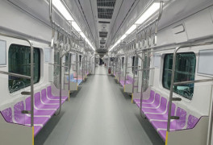
무선충전 전기카 시대 '주차=충전' 제네시스 대중화 속도 낸다 | http://moneys.mt.co.kr/news/mwView.php?no=2022020316468060340 | 머니S | https://search.pstatic.net/common/?src=https%3A%2F%2Fimgnews.pstatic.net%2Fimage%2Forigin%2F417%2F2022%2F02%2F04%2F781571.jpg&type=ff264_180&expire=2&refresh=true | 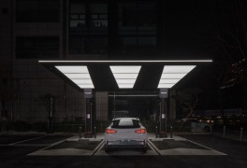
'전기차도 스마트폰처럼 무선충전'…제네시스, 시범운영 시작 | http://www.newsis.com/view/?id=NISX20220203_0001744700&cID=13001&pID=13000 | 뉴시스 | https://search.pstatic.net/common/?src=https%3A%2F%2Fimgnews.pstatic.net%2Fimage%2Forigin%2F003%2F2022%2F02%2F03%2F10977717.jpg&type=ff264_180&expire=2&refresh=true | 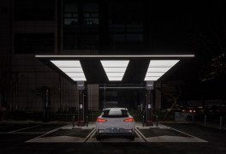
전기차도 스마트폰처럼 무선 충전?…주차하자 100% '완충' | https://www.hankyung.com/economy/article/2022020393881 | 한국경제 | https://search.pstatic.net/common/?src=https%3A%2F%2Fimgnews.pstatic.net%2Fimage%2Forigin%2F015%2F2022%2F02%2F03%2F4659600.jpg&type=ff264_180&expire=2&refresh=true | 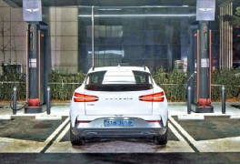
“여기 EV 주차하면 충전돼요”…제네시스, 무선충전 서비스 시범운영 | http://news.mk.co.kr/newsRead.php?no=96344&year=2022 | 매일경제 | https://search.pstatic.net/common/?src=https%3A%2F%2Fimgnews.pstatic.net%2Fimage%2Forigin%2F009%2F2022%2F02%2F03%2F4916731.jpg&type=ff264_180&expire=2&refresh=true | 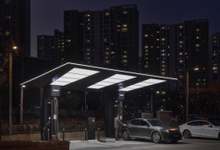
18분 만에 배터리 80% 충전…제네시스 세 번째 전기차 나온다 | https://www.hankyung.com/economy/article/202201270027g | 한국경제 | https://search.pstatic.net/common/?src=https%3A%2F%2Fimgnews.pstatic.net%2Fimage%2Forigin%2F015%2F2022%2F02%2F02%2F4659134.jpg&type=ff264_180&expire=2&refresh=true | 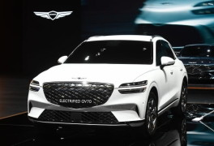
제네시스, EV 충전소 개소 | http://yna.kr/PYH20220203017500013?did=1196m | 연합뉴스 | https://search.pstatic.net/common/?src=https%3A%2F%2Fimgnews.pstatic.net%2Fimage%2Forigin%2F001%2F2022%2F02%2F03%2F12954523.jpg&type=ff264_180&expire=2&refresh=true | 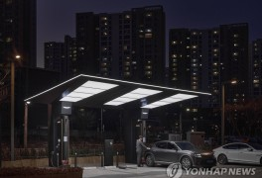
제네시스 전용 충전소 수도권 5곳서 개소 | http://yna.kr/PYH20220203023800003?did=1196m | 연합뉴스 | https://search.pstatic.net/common/?src=https%3A%2F%2Fimgnews.pstatic.net%2Fimage%2Forigin%2F001%2F2022%2F02%2F03%2F12954872.jpg&type=ff264_180&expire=2&refresh=true | 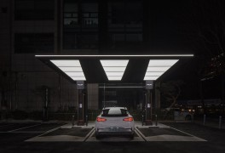
서울지하철 5호선, 노후 전동차 25대 교체…"소음 줄이고 휴대폰 충전도" | http://www.bizwnews.com/news/articleView.html?idxno=32395 | 비즈월드 | https://search.pstatic.net/common/?src=https%3A%2F%2Fimgnews.pstatic.net%2Fimage%2Forigin%2F5813%2F2022%2F02%2F04%2F11425.jpg&type=ofullfill264_180_gray&expire=2&refresh=true | 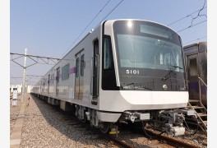
제네시스, 전기차 전용 충전소 개소..무선 충전 시범 사업 운영 | http://www.hg-times.com/news/articleView.html?idxno=238070 | 한강타임즈 | https://search.pstatic.net/common/?src=https%3A%2F%2Fimgnews.pstatic.net%2Fimage%2Forigin%2F5290%2F2022%2F02%2F03%2F156258.jpg&type=ofullfill264_180_gray&expire=2&refresh=true | 